Details
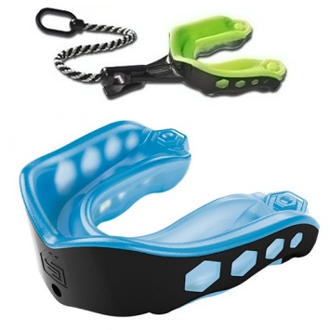
Images | UPC | Category | Manufacturer | Description | Qty | Retail | Ext. Retail | Style | CLASSIFICATION | SUB-CLASS | Style | Size | Gender | Color
 | 733313014708 | Accessories | Shock Doctor | Shock Doctor Gel Max Mouthguard Strap Adult | 148 | $14.99 | $2,218.52 | 6161A |  | Mouth Guard | 6161A |  | Adult | Purple
 | 733313014784 | Accessories | Shock Doctor | Shock Doctor Gel Max Mouthguard Strap Adult | 55 | $14.99 | $824.45 | 6181A |  | Mouth Guard | 6181A |  | Adult | Maroon
 | 733313014715 | Accessories | Shock Doctor | Shock Doctor Gel Max Mouthguard Strap Youth | 42 | $14.99 | $629.58 | 6161Y |  | Mouth Guard | 6161Y |  | Youth | Purple
 | 733313014838 | Accessories | Shock Doctor | Shock Doctor Gel Max Mouthguard Strap Youth | 135 | $14.99 | $2,023.65 | 6201Y |  | Mouth Guard | 6201Y |  | Youth | Pink
 | 733313014456 | Accessories | Shock Doctor | Shock Doctor Gel Max Mouthguard Strap Youth | 190 | $14.99 | $2,848.10 | 6100Y |  | Mouth Guard | 6100Y |  | Youth | Blue/Black
 | 733313014791 | Accessories | Shock Doctor | Shock Doctor Gel Max Mouthguard Strap Youth | 102 | $14.99 | $1,528.98 | 6181Y |  | Mouth Guard | 6181Y |  | Youth | Maroon
 | 733313014470 | Accessories | Shock Doctor | Shock Doctor Gel Max Mouthguard Strap Youth | 50 | $14.99 | $749.50 | 6101Y |  | Mouth Guard | 6101Y |  | Youth | Blue/Black
 | 733313014593 | Accessories | Shock Doctor | Shock Doctor Gel Max Mouthguard Strap Youth | 111 | $14.99 | $1,663.89 | 6131Y |  | Mouth Guard | 6131Y |  | Youth | Orange
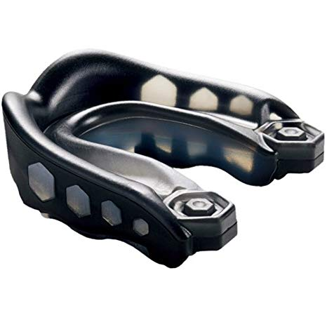
 | 733313014807 | Accessories | Shock Doctor | Shock Doctor Gel Max Mouthguard Strapless Adult | 55 | $12.99 | $714.45 | 6200A |  | Mouth Guard | 6200A |  | Adult | Pink
 | 733313014531 | Accessories | Shock Doctor | Shock Doctor Gel Max Mouthguard Strapless Youth | 47 | $12.99 | $610.53 | 6120Y |  | Mouth Guard | 6120Y |  | Youth | Green
 | 733313014579 | Accessories | Shock Doctor | Shock Doctor Gel Max Mouthguard Strapless Youth | 156 | $12.99 | $2,026.44 | 6130Y |  | Mouth Guard | 6130Y |  | Youth | Orange
 | 733313014616 | Accessories | Shock Doctor | Shock Doctor Gel Max Mouthguard Strapless Youth | 6 | $12.99 | $77.94 | 6140Y |  | Mouth Guard | 6140Y |  | Youth | Red
 | 733313014692 | Accessories | Shock Doctor | Shock Doctor Gel Max Mouthguard Strapless Youth | 36 | $12.99 | $467.64 | 6160Y |  | Mouth Guard | 6160Y |  | Youth | Purple
 | 733313014777 | Accessories | Shock Doctor | Shock Doctor Gel Max Mouthguard Strapless Youth | 11 | $12.99 | $142.89 | 6180Y |  | Mouth Guard | 6180Y |  | Youth | Maroon
 | 733313014814 | Accessories | Shock Doctor | Shock Doctor Gel Max Mouthguard Strapless Youth | 72 | $12.99 | $935.28 | 6200Y |  | Mouth Guard | 6200Y |  | Youth | Pink
 | 733313014852 | Accessories | Shock Doctor | Shock Doctor Gel Max Mouthguard Strapless Youth | 1 | $12.99 | $12.99 | 6210Y |  | Mouth Guard | 6210Y |  | Youth | Black
 | 733313014654 | Accessories | Shock Doctor | Shock Doctor Gel Max Mouthguard Strapless Youth | 131 | $12.99 | $1,701.69 | 6150Y |  | Mouth Guard | 6150Y |  | Youth | Royal
 |  |  |  |  | 1348 |  | $19,176.52

