Details
Images | UPC | Category | Manufacturer | Description | Total Qty | Retail | Conf. Ext. Retail | Style | CLASSIFICATION | SUB-CLASS | Size | Gender | Color
 |  | Apparel | Under Armour | Under Armour Women's Locker Short Sleeve T-Shirt | 0 | $25.00 | $0.00 |  | General/All-Sport | Top |  | Womens
 | 886781830698 | Apparel | Under Armour | Under Armour Women's UA Locker T-Shirt (True Gray Heather) XX-Large | 0 | $25.00 | $0.00 |  | General/All-Sport | Top | XXL | Mens | True Gray Heather
 | 888728234002 | Apparel | Under Armour | UA LADIES LOCKER TWIST TECH T NVY/WHT M | 1 | $30.00 | $30.00 |  |  |  | M | Womens | Navy/White
 | 888728237713 | Apparel | Under Armour | UA Locker T L/S Navy M | 148 | $30.00 | $4,440.00 |  |  |  | M | Mens | Navy
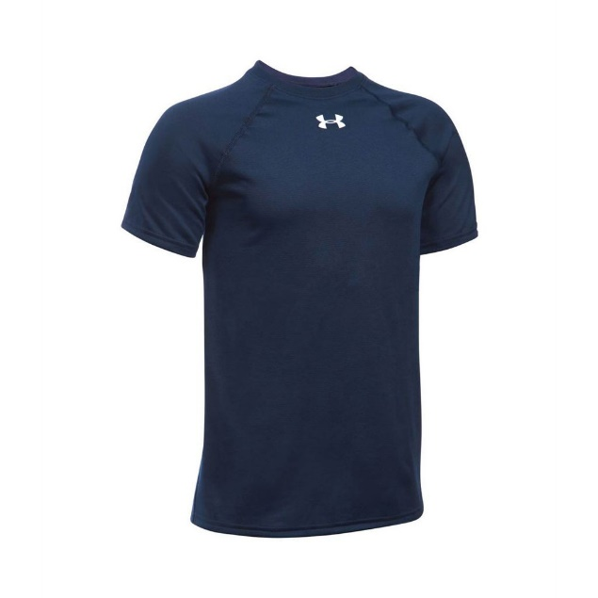 | 888728239601 | Apparel | Under Armour | UA MENS LOCKER TWIST TECH T NAVY S | 1 | $30.00 | $30.00 |  |  |  | S | Mens | Navy
 | 888728237706 | Apparel | Under Armour | Under Armour Locker Long Sleeve T-Shirt S NAVY | 198 | $30.00 | $5,940.00 |  |  |  | S | MENS | Navy
 | 886450488489 | Apparel | Under Armour | Under Armour UA Locker YLG Midnight Nav | 122 | $30.00 | $3,660.00 |  |  |  | YLG | Youth | Midnight Navy
 | 886450488472 | Apparel | Under Armour | Under Armour UA Locker YMD Midnight Navy | 26 | $30.00 | $780.00 |  |  |  | YMD | Youth | Navy
 | 886450488441 | Apparel | Under Armour | Under Armour UA Locker Youth X-Large Royal | 24 | $30.00 | $720.00 |  |  |  | XL | Youth | Royal
 | 888728231483 | Apparel | Under Armour | Under Armour Women's Locker Long Sleeve T-Shirt | 1 | $30.00 | $30.00 |  |  |  | XS | Womens | White
 | 887907580039 | Apparel | Under Armour | Under Armour Men's UA Every Team Fleece Hoodie - Small - Midnight Navy/ White | 13 | $50.00 | $650.00
 | 888728238369 | Apparel | Under Armour | Under Armour Locker T Ss Black XL | 1 | $30.00 | $30.00
 | 886781432762 | Apparel | Under Armour | Under Armour Men's Armour Fleece Team Hoody, Midnight Navy/White, XLarge | 1 | $50.00 | $50.00
 | 190078033212 | Apparel | Under Armour | Under Armour Men's F5 Football Receiver Gloves, White/Black, X-Large | 1 | $40.00 | $40.00
 | 190078031164 | Apparel | Under Armour | Under Armour Men's Fierce VI Football Gloves, White/Black, Large | 1 | $40.00 | $40.00
 | 888376438111 | Apparel | Under Armour | Under Armour Men's Storm Armour Fleece Hoodie Black XXL | 1 | $50.00 | $50.00
 | 887907579903 | Apparel | Under Armour | Under Armour Men's UA Every Team Fleece Hoodie - Large - True Gray Heather/ Black | 1 | $50.00 | $50.00
 | 887907580084 | Apparel | Under Armour | Under Armour Men's UA Every Team Fleece Hoodie - Small - Red/ White | 1 | $50.00 | $50.00
 | 888728232961 | Apparel | Under Armour | Under Armour Women's Locker Short Sleeve T-Shirt | 2 | $30.00 | $60.00
 |  |  |  |  | 543 |  | $16,650.00

