Lot 24
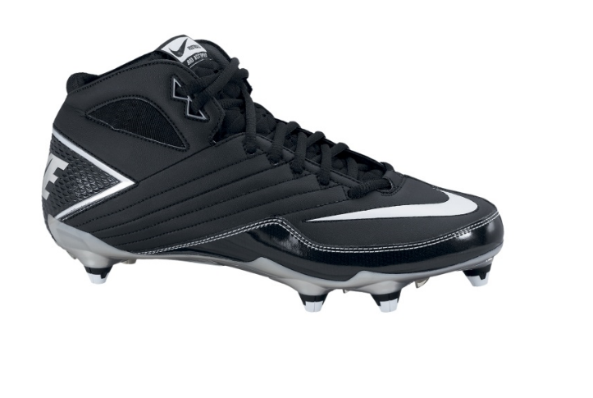
Image | UPC | Category | Manufacturer | Description | Total Qty | Retail | Ext. Retail | Style | CLASSIFICATION | SUB-CLASS | Size | Gender | Color
 |  | Shoes | Nike | NIKE SUPER SPEED D LOW | 3 | $100.00 | $300.00 |  | Football | Cleat | 8.5 | Mens | Assorted
 |  | Shoes | Nike | NIKE SUPER SPEED D LOW | 13 | $100.00 | $1,300.00 |  | Football | Cleat | 9.5 | Mens | Assorted
 |  | Shoes | Nike | NIKE SUPER SPEED D LOW | 14 | $100.00 | $1,400.00 |  | Football | Cleat | 11 | Mens | Assorted
 |  | Shoes | Nike | NIKE SUPER SPEED D LOW | 3 | $100.00 | $300.00 |  | Football | Cleat | 11.5 | Mens | Assorted
 |  | Shoes | Nike | NIKE SUPER SPEED D LOW | 35 | $100.00 | $3,500.00 |  | Football | Cleat | 12 | Mens | Assorted
 |  | Shoes | Nike | NIKE SUPER SPEED D LOW | 15 | $100.00 | $1,500.00 |  | Football | Cleat | 12.5 | Mens | Assorted
 |  | Shoes | Nike | NIKE SUPER SPEED D LOW | 8 | $100.00 | $800.00 |  | Football | Cleat | 13 | Mens | Assorted
 |  | Shoes | Nike | NIKE SUPER SPEED D LOW | 4 | $100.00 | $400.00 |  | Football | Cleat | 13.5 | Mens | Assorted
 |  | Shoes | Nike | NIKE SUPER SPEED D LOW | 15 | $100.00 | $1,500.00 |  | Football | Cleat | 14 | Mens | Assorted
 |  | Shoes | Nike | NIKE SUPER SPEED D LOW | 1 | $100.00 | $100.00 |  | Football | Cleat | 15 | Mens | Assorted
 |  | Shoes | Nike | NIKE SUPER SPEED D 3/4 | 3 | $95.00 | $285.00 |  | Football | Cleat | 9 | Mens | Assorted
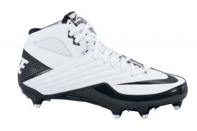
 |  | Shoes | Nike | NIKE SUPER SPEED D 3/4 | 3 | $95.00 | $285.00 |  | Football | Cleat | 9.5 | Mens | Assorted
 |  | Shoes | Nike | NIKE SUPER SPEED D 3/4 | 27 | $95.00 | $2,565.00 |  | Football | Cleat | 10 | Mens | Assorted
 |  | Shoes | Nike | NIKE SUPER SPEED D 3/4 | 43 | $95.00 | $4,085.00 |  | Football | Cleat | 10.5 | Mens | Assorted
 |  | Shoes | Nike | NIKE SUPER SPEED D 3/4 | 31 | $95.00 | $2,945.00 |  | Football | Cleat | 11 | Mens | Assorted
 |  | Shoes | Nike | NIKE SUPER SPEED D 3/4 | 35 | $95.00 | $3,325.00 |  | Football | Cleat | 11.5 | Mens | Assorted
 |  | Shoes | Nike | NIKE SUPER SPEED D 3/4 | 38 | $95.00 | $3,610.00 |  | Football | Cleat | 12 | Mens | Assorted
 |  | Shoes | Nike | NIKE SUPER SPEED D 3/4 | 18 | $95.00 | $1,710.00 |  | Football | Cleat | 12.5 | Mens | Assorted
 |  | Shoes | Nike | NIKE SUPER SPEED D 3/4 | 39 | $95.00 | $3,705.00 |  | Football | Cleat | 13 | Mens | Assorted
 |  | Shoes | Nike | NIKE SUPER SPEED D 3/4 | 1 | $95.00 | $95.00 |  | Football | Cleat | 16 | Mens | Assorted
 |  |  |  |  | 349 |  | $33,710.00

